BUNDLE GUIDE
WESTCON CLOUD CONNECT - BUNDLE GUIDE - SEPT 2021

Thank you for considering Westcon Cloud Connect, your complete Teams Direct Routing solution!

Please make yourself familiar with some of the terms and requirements as well as the different billing components: Hardware = once off | Licensing = per user, per month

Before getting started , make sure you are signed up at the various portals below

Bluesky:
https://bluesky2.westconcomstor.com/#/login
Ribbon partner portal:
https://ribboncommunications.com/partners
Poly partner portal:
https://partners.poly.com/English/

STEP 1 - BRING YOUR OWN CARRIER
One of the key requirements is to ensure you / your customer has SIP trunks available, if not you will need a service provider to supply these. *Westcon does not offer the SIP trunk connection and the costs are for you to arrange with your preferred service provider. This usually consists of a line rental and per second or per minute calling minutes.

STEP 2 - MICROSOFT BASE LICENSING
Microsoft offers various offerings aimed at both small/medium businesses and enterprises. If you are not familiar with the license options and requirments please visit the Microsoft plans details tab. If you know which licenses you require please select this from the drop down provided (See Business or Enterprise bundle options)

STEP 3 - THE PHONE SYSTEM
To initiate calling on MS Teams, you must have a very important component that allows for the Direct Routing to take place and opens up the dial pad function within MS Teams. For Business base packages, please select the Business Voice sku (This is currently on promotion until 31 Dec 2021) For Enterprise base packages, please select the Phone System sku (Take note for E5 you DO NOT require Phone System as it is already included in E5)

STEP 4 - LETS GET CONNECTED
The final cloud based component to add now is Ribbon Connect which is the actual Direct Routing for Teams service, which comprises of virtual SBC's hosted in Azure and aligned to the Microsoft Teams server locations around the globe. To do this, you need to choose one of two options: - Teams trunk ONLY - This means only calling via the Teams application (Mobile, PC or Native Teams desk phones) - Teams trunk AND PBX integration - This means calling via the Teams application AND the ability to link to an exisiting PBX or UC cloud provider For more information on the options, please look at the Ribbon Connect tab which shows the solution in clear diagram format

STEP 5 - DON’T FORGET THE GOODIES
Without the right tools, it makes it harder to get the job done. Poly have the broadest Micrsoft Teams certified devices, end to end! Take the time to select either a wired or wireless headset OR speakerphone OR Teams native desk phone (no PBX required) For more infomortaion on the Poly audio devices and to check your own personal work type, please use the Poly Persona tab. This hardware item contributes as a once off billing item.

Currently stocked headsets and speakerphones - Sept 2021

Selecting from the Bundles Tab

Select the Microsoft base license which included Teams and fits your requirements or leave as "Not required" if you already have this

Select the Microsoft Add-on license or leave as "Not required" if you already have this. N.B. if you have or apply for Office 365 E5, then Phone System is already included and therefore should be selected as "Not required"
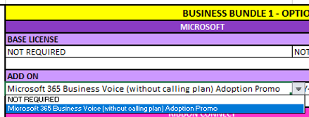
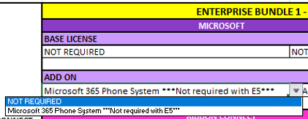

Now select the Ribbon Connect license required: Trunk = Teams app and Native teams devices ONLY PBX = Teams app and Nativie Teams devices AND integration with a PBX

Next select a headset, speakerphone or Teams Native deskphone

WIRED:

WIRELESS

TEAMS NATIVE PHONE (PLUS OPTIONAL HEADSETS)

RIBBON CONNECT
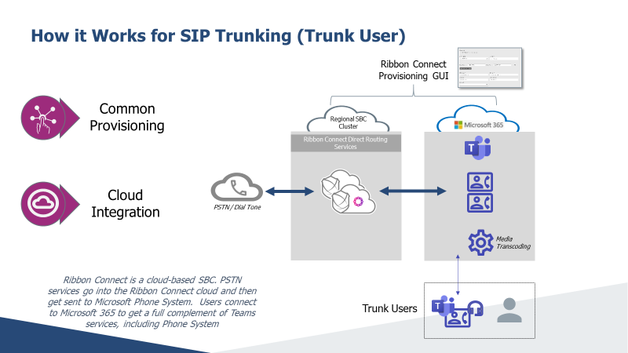

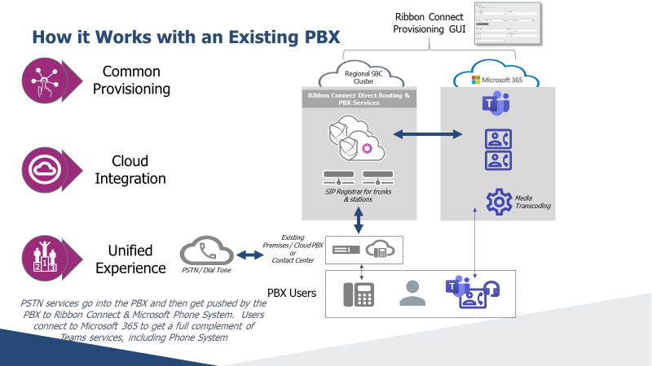

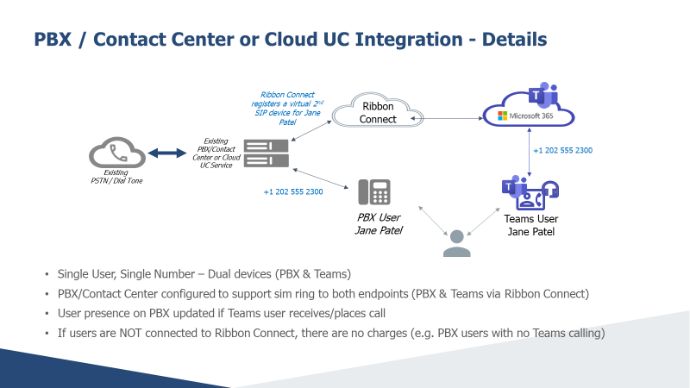

POLY PERSONAS
